说明
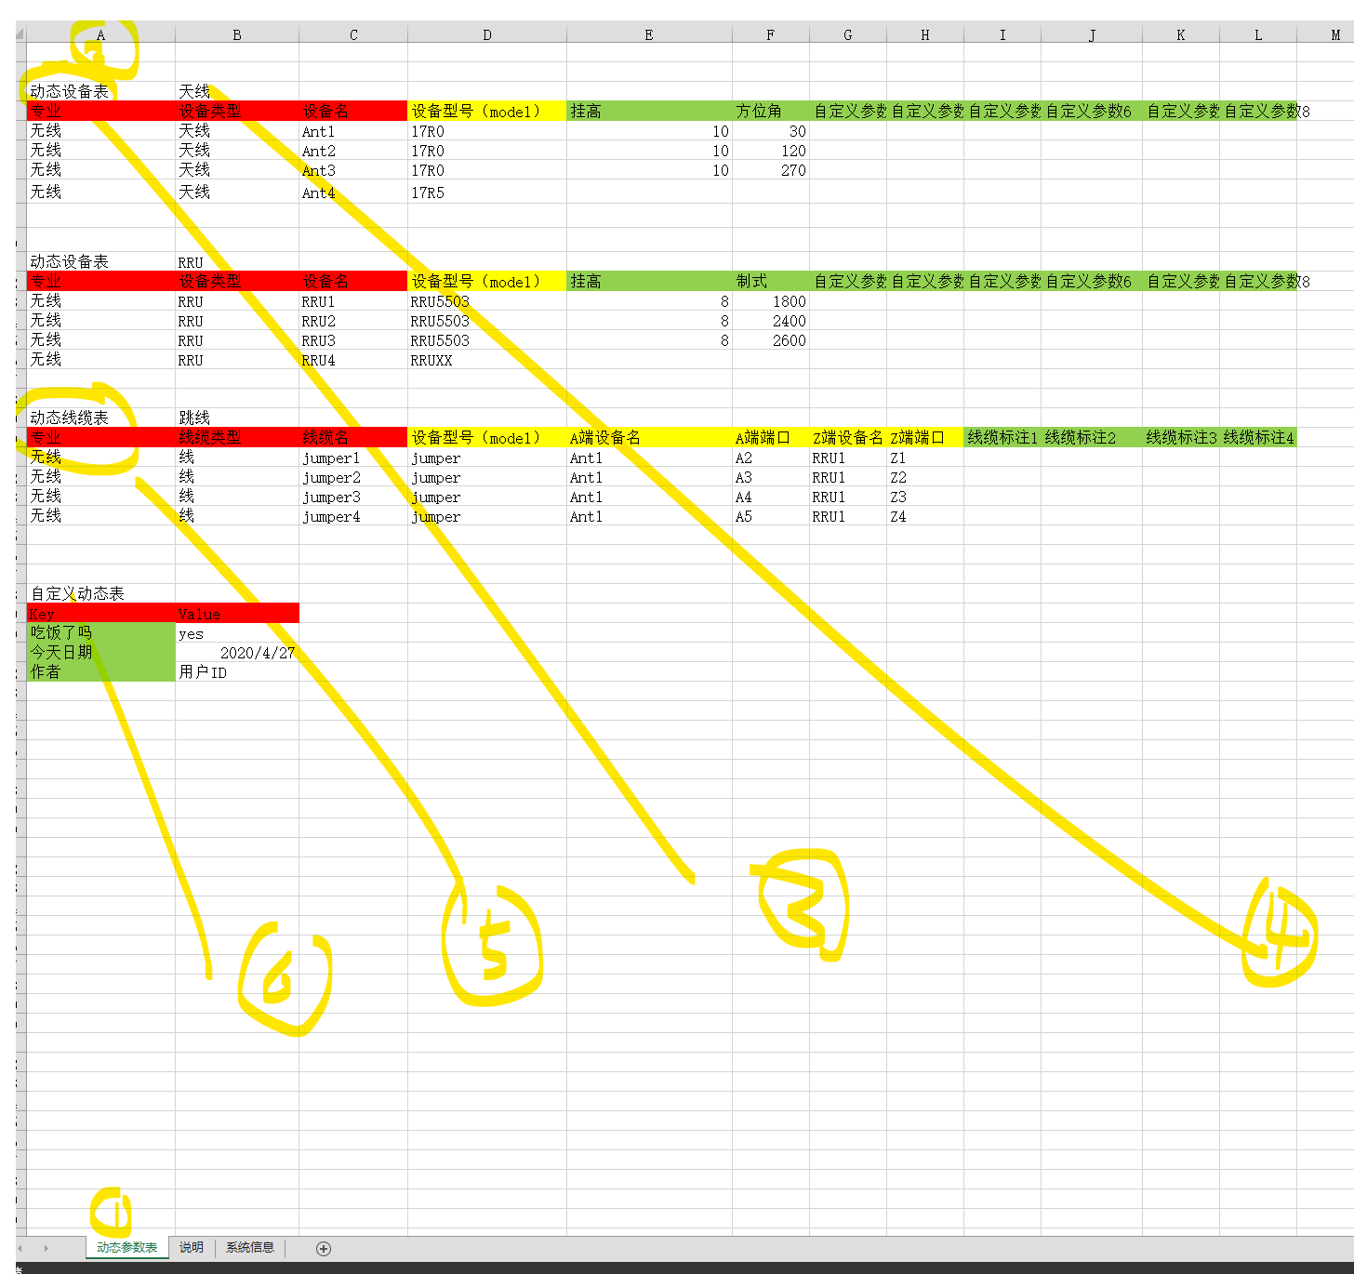
excel文件名，定义站点ID，任务号等
项目编码，在“系统信息保存”
1，sheet “动态参数表”，告诉系统，所有动态参数在此
2，从excel 的A1开始，空两行，开始识别，如果如下3里面的任何1个，则针对不同表格进行解析
3，“动态设备表，动态线缆表，动态自定义表”定义3类动态表
4，动态设备表，动态线缆表，动态自定义表可以有多个，以A01右边的A02进行辨别，并且挂到老杨树中
5，3个动态表，解析格式不同。
6，自定义动态表，是Key value形式
7，可以随便增加前提sheet页，作为复制表，CAD只解析“动态数据表”这个sheet

红色 | 专业，设备类型，设备名，标识设备类；线缆类型，线缆名，标识线缆
黄色 | 标明本线缆/设备，与CAD图库的关系
绿色 | 绿色自定义字段

